Datailed Inquiry Information
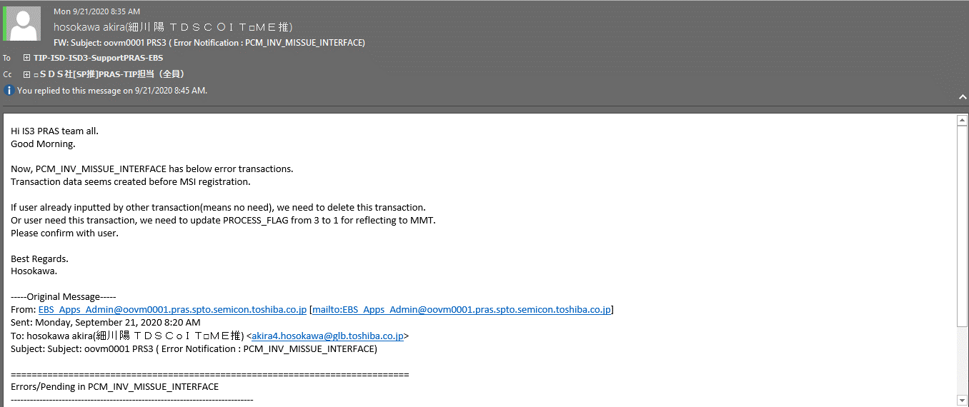
Detailed Inquiry Information

 | PLEASE PROVIDE EVIDENCE OF REQUEST / DETAILS OF REQUEST HERE (IN DETAIL).

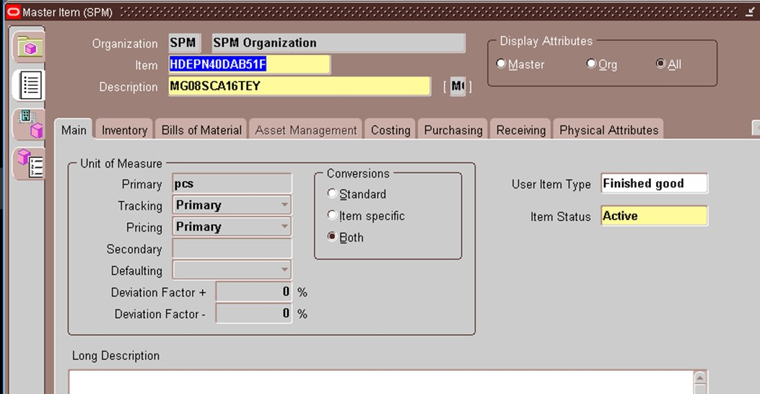

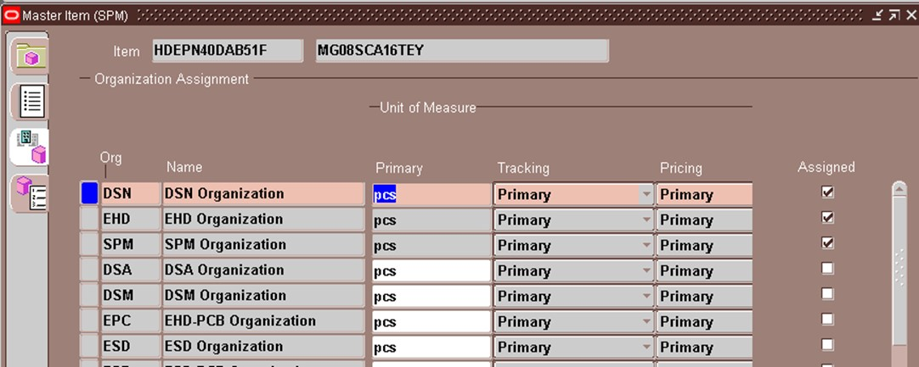

 | ISD COMMENT

Actual Operation Evidence
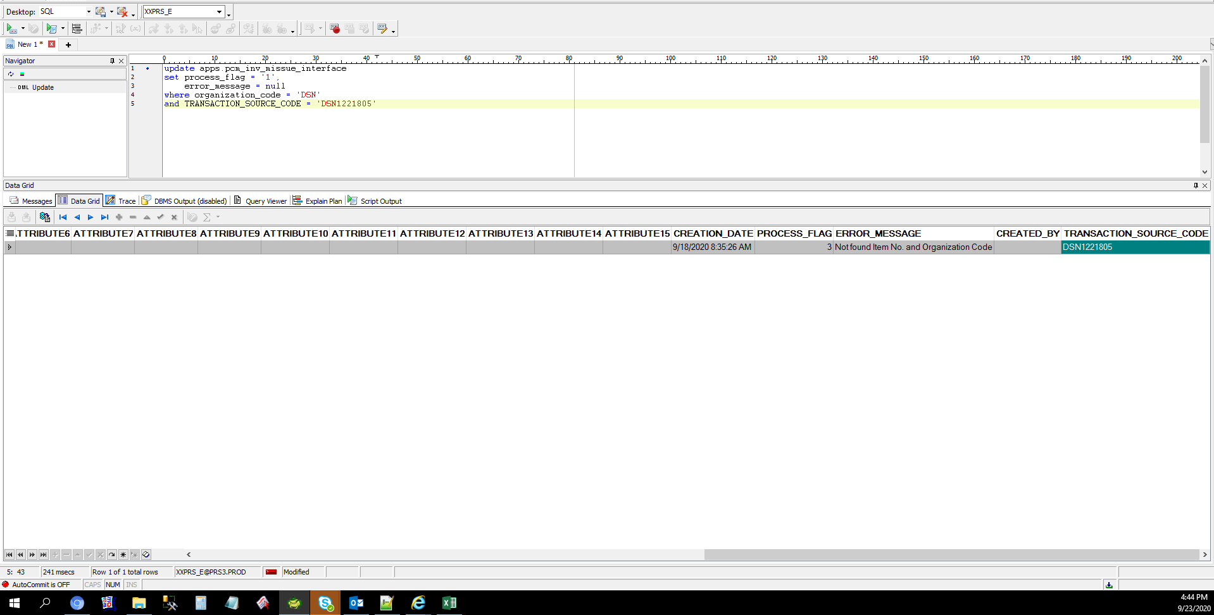
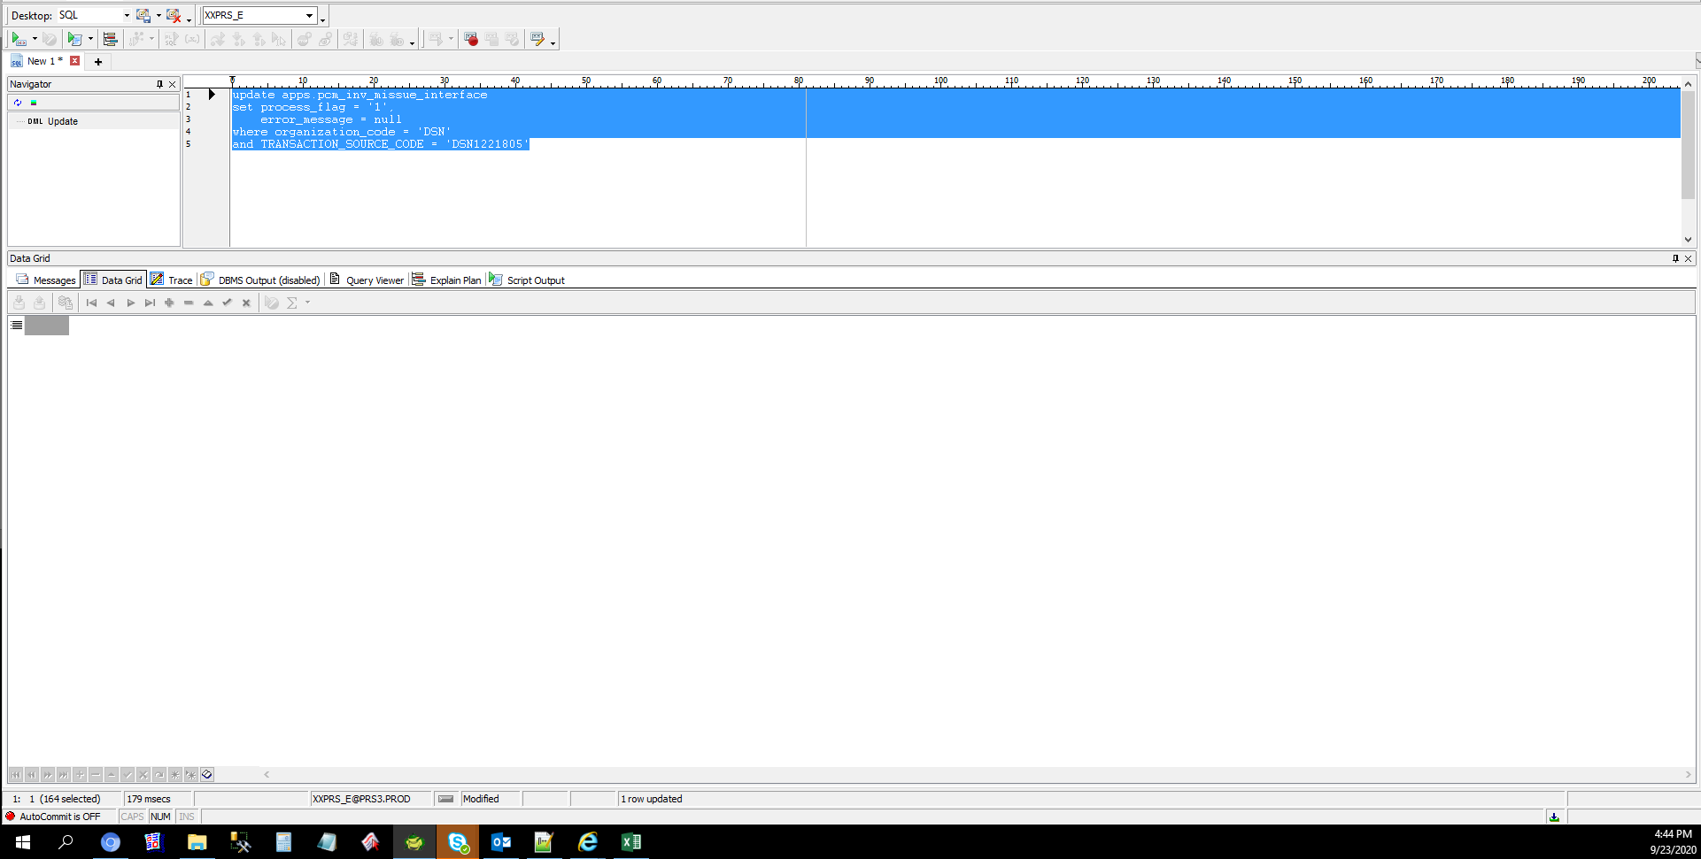
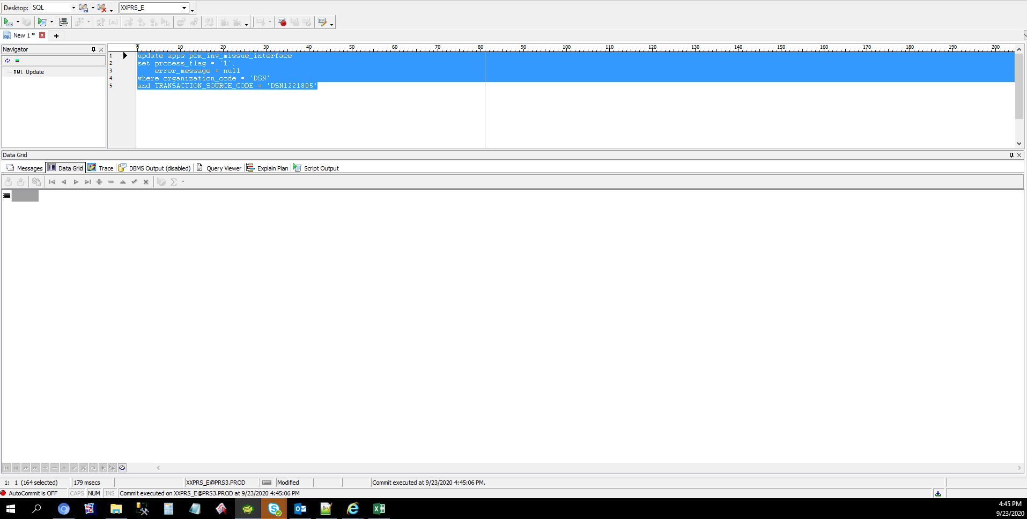
Actual Operation Evidence

Helpdesk Request
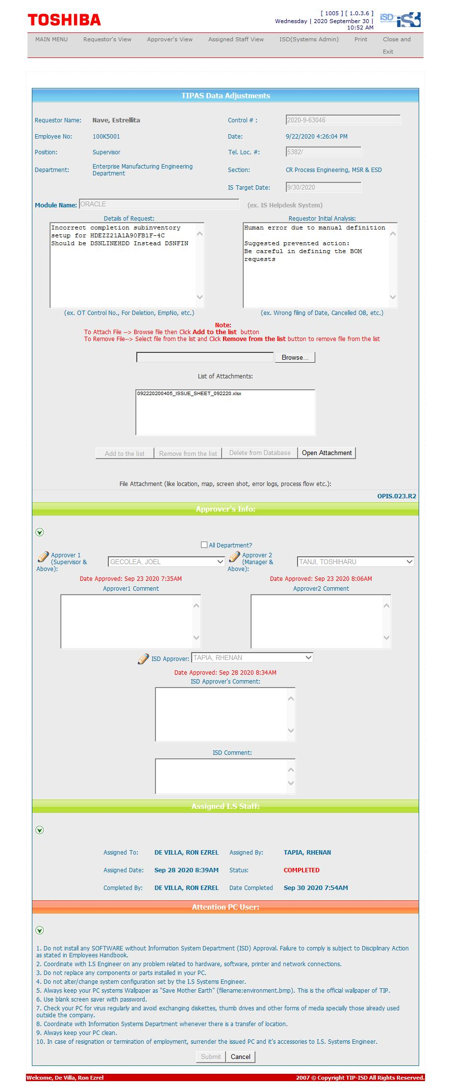
Helpdesk Request

 | ATTACH SCREENSHOT OF HELPDESK REQUEST.

